PIN BUSH
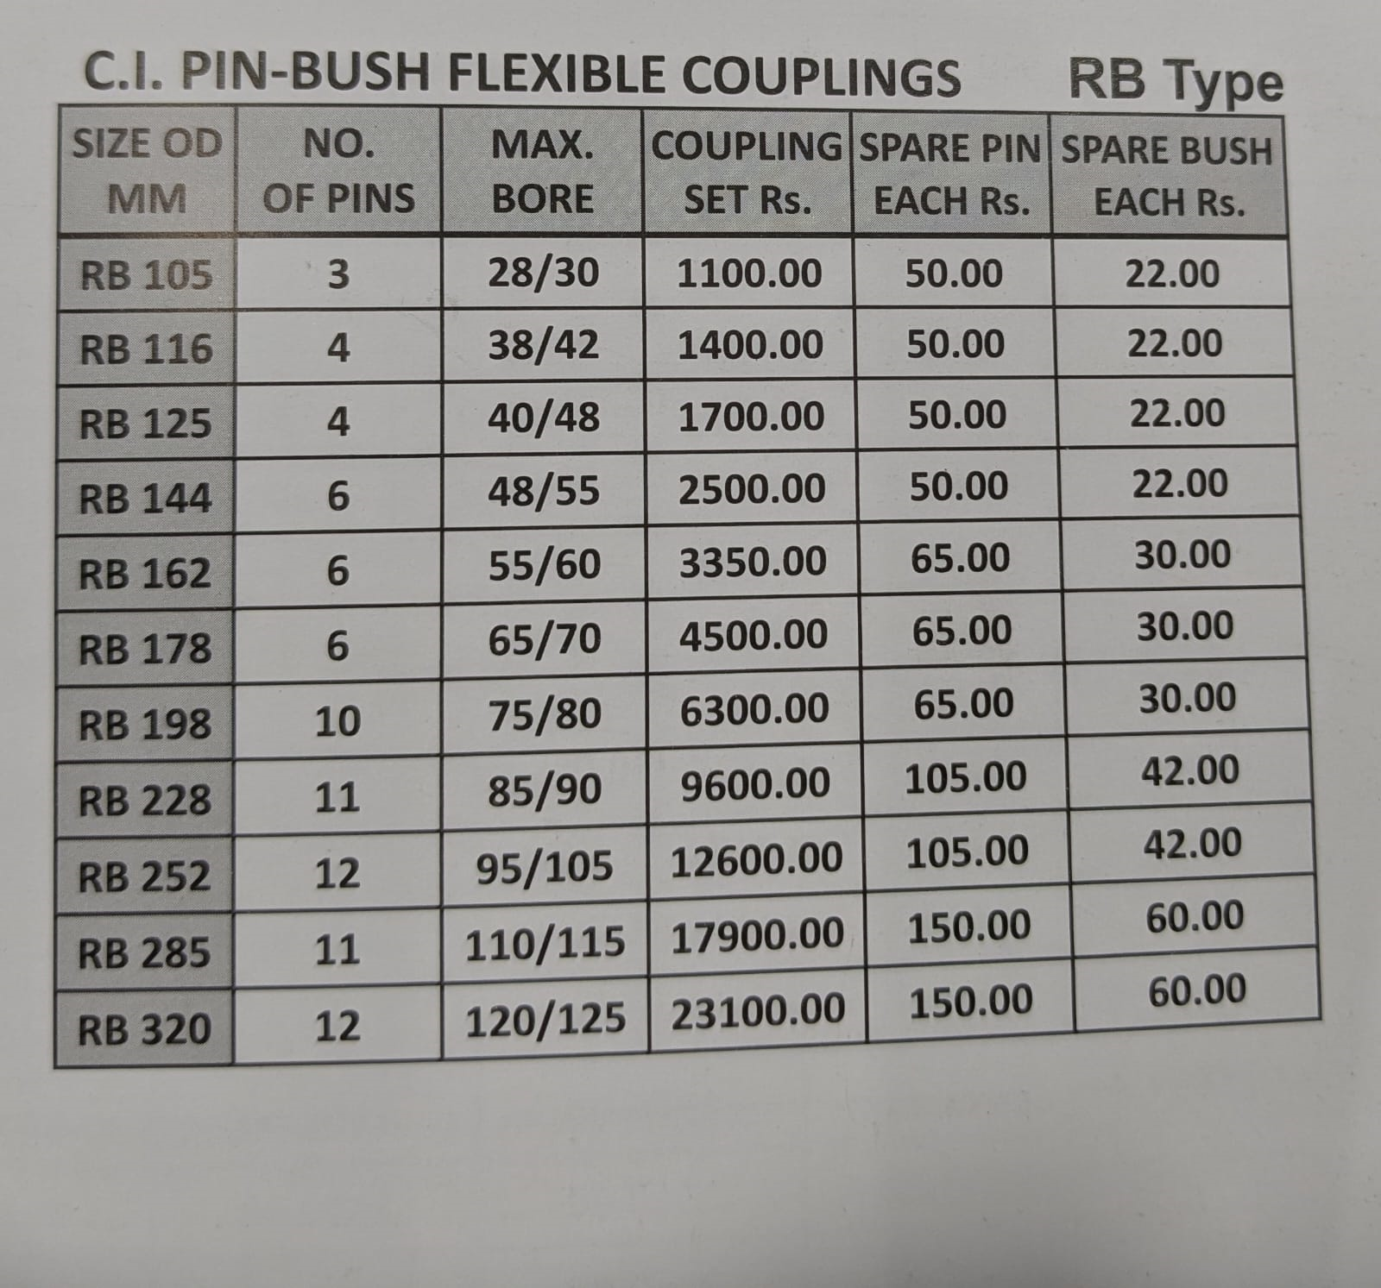
CI COUPLINGS | RATE
RB-144 BUSH BOLT NUT | 75
RB-198 BUSH BOLT NUT | 100
RB-252 BUSH BOLT NUT | 150
RB-320 BUSH BOLT NUT | 210

CI PIN BUSH FLEX COUP B TYPE | RATE
BC-2A BUSH | 32
NBC-8 BUSH | 60
BC-2A PIN | 70
NBC-8 PIN | 130

CI STAR COUPLING | RATE
E095 CI | 410
E100 CI | 660
E110 CI | 1200
E 150 CI | 1500
E225 CI | 3270

RUBBER PARTS | RATE
E75 SPIDER | 40
E95 SPIDER | 45
E100 SPIDER | 60
E110 SPIDER | 80
E150 SPIDER | 120
E190 SPIDER | 180

VICTAULIC COUPLING
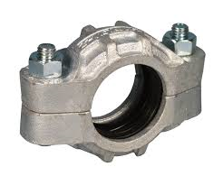

VICTAULIC COUPLINGS
S.NO | SIZE | DESCRIPTION | EACH RATE
CI
1 | 1 INCH | VICTAULIC COUPLINGS | 460
2 | 1 1/4 INCH | VICTAULIC COUPLINGS | 530
3 | 1 1/2 INCH | VICTAULIC COUPLINGS | 600
4 | 2 INCH | VICTAULIC COUPLINGS | 640
SS |  |  |  | stainless steel
1 | 1 INCH | VICTAULIC COUPLINGS | 1240
2 | 1 1/4 INCH | VICTAULIC COUPLINGS | 1560
3 | 1 1/2 INCH | VICTAULIC COUPLINGS | 1600
4 | 2 INCH | VICTAULIC COUPLINGS | 1800
SS PIPE NIPPLE FOR VC
1 | 1 INCH | SS PIPE NIPPLE FOR VC | 460
2 | 1 1/4 INCH | SS PIPE NIPPLE FOR VC | 550
3 | 1 1/2 INCH | SS PIPE NIPPLE FOR VC | 650
4 | 2 INCH | SS PIPE NIPPLE FOR VC | 800

 |  |  | 5%

